json data
Read json data without schema registry

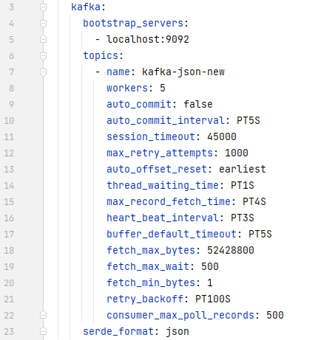

OUTPUT
{"C:\\Users\\AJ20444591\\Desktop\\DataPrepper\\Projects\\json-producer\\src\\main\\resources\\data\\NSE05NOV2018BHAV.csv":{"symbol":"ALICON","series":"EQ","open":"640","high":645.0,"low":618.2,"close":624.25,"last":625.1,"previousClose":632.4,"totalTradedQty":3540.0,"totalTradedVal":2228092.75,"tradeDate":"05-Nov-2018","totalTrades":188.0,"isinCode":"INE062D01024"}}
{"C:\\Users\\AJ20444591\\Desktop\\DataPrepper\\Projects\\json-producer\\src\\main\\resources\\data\\NSE05NOV2018BHAV.csv":{"symbol":"ALKALI","series":"EQ","open":"59.9","high":62.0,"low":57.1,"close":57.85,"last":58.0,"previousClose":58.25,"totalTradedQty":12223.0,"totalTradedVal":716903.35,"tradeDate":"05-Nov-2018","totalTrades":253.0,"isinCode":"INE773I01017"}}
{"C:\\Users\\AJ20444591\\Desktop\\DataPrepper\\Projects\\json-producer\\src\\main\\resources\\data\\NSE06NOV2018BHAV.csv":{"symbol":"ALICON","series":"EQ","open":"616.8","high":625.2,"low":603.4,"close":615.05,"last":606.0,"previousClose":624.25,"totalTradedQty":1352.0,"totalTradedVal":830380.55,"tradeDate":"06-Nov-2018","totalTrades":134.0,"isinCode":"INE062D01024"}}
{"C:\\Users\\AJ20444591\\Desktop\\DataPrepper\\Projects\\json-producer\\src\\main\\resources\\data\\NSE05NOV2018BHAV.csv":{"symbol":"ALKEM","series":"EQ","open":"1877","high":1928.95,"low":1845.2,"close":1911.85,"last":1910.0,"previousClose":1908.9,"totalTradedQty":44394.0,"totalTradedVal":8.38223505E7,"tradeDate":"05-Nov-2018","totalTrades":6833.0,"isinCode":"INE540L01014"}}
{"C:\\Users\\AJ20444591\\Desktop\\DataPrepper\\Projects\\json-producer\\src\\main\\resources\\data\\NSE06NOV2018BHAV.csv":{"symbol":"ALKALI","series":"EQ","open":"59","high":61.0,"low":58.0,"close":58.45,"last":58.6,"previousClose":57.85,"totalTradedQty":4287.0,"totalTradedVal":251994.2,"tradeDate":"06-Nov-2018","totalTrades":108.0,"isinCode":"INE773I01017"}}
{"C:\\Users\\AJ20444591\\Desktop\\DataPrepper\\Projects\\json-producer\\src\\main\\resources\\data\\NSE06NOV2018BHAV.csv":{"symbol":"ALKEM","series":"EQ","open":"1912.1","high":1914.95,"low":1874.0,"close":1880.75,"last":1893.0,"previousClose":1911.85,"totalTradedQty":139047.0,"totalTradedVal":2.627542582E8,"tradeDate":"06-Nov-2018","totalTrades":6005.0,"isinCode":"INE540L01014"}}
{"C:\\Users\\AJ20444591\\Desktop\\DataPrepper\\Projects\\json-producer\\src\\main\\resources\\data\\NSE05NOV2018BHAV.csv":{"symbol":"ALKYLAMINE","series":"EQ","open":"685","high":690.0,"low":665.2,"close":685.8,"last":687.0,"previousClose":682.2,"totalTradedQty":11487.0,"totalTradedVal":7864906.15,"tradeDate":"05-Nov-2018","totalTrades":232.0,"isinCode":"INE150B01021"}}
{"C:\\Users\\AJ20444591\\Desktop\\DataPrepper\\Projects\\json-producer\\src\\main\\resources\\data\\NSE05NOV2018BHAV.csv":{"symbol":"ALLCARGO","series":"EQ","open":"101.4","high":104.25,"low":100.45,"close":102.8,"last":102.8,"previousClose":101.45,"totalTradedQty":147169.0,"totalTradedVal":1.513083205E7,"tradeDate":"05-Nov-2018","totalTrades":2006.0,"isinCode":"INE418H01029"}}
{"C:\\Users\\AJ20444591\\Desktop\\DataPrepper\\Projects\\json-producer\\src\\main\\resources\\data\\NSE06NOV2018BHAV.csv":{"symbol":"ALKYLAMINE","series":"EQ","open":"685.8","high":702.0,"low":680.6,"close":699.15,"last":695.5,"previousClose":685.8,"totalTradedQty":9197.0,"totalTradedVal":6435922.05,"tradeDate":"06-Nov-2018","totalTrades":253.0,"isinCode":"INE150B01021"}}
{"C:\\Users\\AJ20444591\\Desktop\\DataPrepper\\Projects\\json-producer\\src\\main\\resources\\data\\NSE05NOV2018BHAV.csv":{"symbol":"ALLSEC","series":"EQ","open":"252.2","high":252.2,"low":239.2,"close":247.1,"last":242.2,"previousClose":242.15,"totalTradedQty":6025.0,"totalTradedVal":1483087.75,"tradeDate":"05-Nov-2018","totalTrades":248.0,"isinCode":"INE835G01018"}}
{"C:\\Users\\AJ20444591\\Desktop\\DataPrepper\\Projects\\json-producer\\src\\main\\resources\\data\\NSE06NOV2018BHAV.csv":{"symbol":"ALLCARGO","series":"EQ","open":"105","high":108.0,"low":103.15,"close":106.7,"last":107.1,"previousClose":102.8,"totalTradedQty":292817.0,"totalTradedVal":3.12081961E7,"tradeDate":"06-Nov-2018","totalTrades":4101.0,"isinCode":"INE418H01029"}}

plaintext
Read plaintext data by default if no data format mentioned in the config file

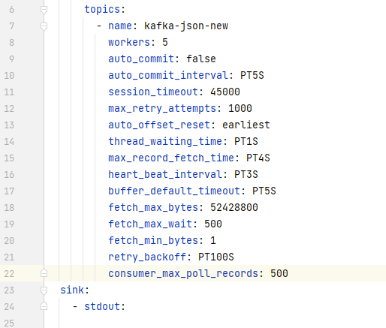

OUTPUT
{"C:\\Users\\AJ20444591\\Desktop\\DataPrepper\\Projects\\json-producer\\src\\main\\resources\\data\\NSE05NOV2018BHAV.csv":"{\"symbol\":\"3IINFOTECH\",\"series\":\"EQ\",\"open\":\"3.3\",\"high\":3.5,\"low\":3.3,\"close\":3.4,\"last\":3.4,\"previousClose\":3.3,\"totalTradedQty\":1563338.0,\"totalTradedVal\":5293597.1,\"tradeDate\":\"05-Nov-2018\",\"totalTrades\":647.0,\"isinCode\":\"INE748C01020\"}"}
{"C:\\Users\\AJ20444591\\Desktop\\DataPrepper\\Projects\\json-producer\\src\\main\\resources\\data\\NSE06NOV2018BHAV.csv":"{\"symbol\":\"3MINDIA\",\"series\":\"EQ\",\"open\":\"20397.6\",\"high\":20397.6,\"low\":19600.0,\"close\":19845.7,\"last\":19800.0,\"previousClose\":20077.85,\"totalTradedQty\":1445.0,\"totalTradedVal\":2.878837605E7,\"tradeDate\":\"06-Nov-2018\",\"totalTrades\":550.0,\"isinCode\":\"INE470A01017\"}"}
{"C:\\Users\\AJ20444591\\Desktop\\DataPrepper\\Projects\\json-producer\\src\\main\\resources\\data\\NSE05NOV2018BHAV.csv":"{\"symbol\":\"3MINDIA\",\"series\":\"EQ\",\"open\":\"20280\",\"high\":20440.0,\"low\":19811.0,\"close\":20077.85,\"last\":19999.95,\"previousClose\":20282.85,\"totalTradedQty\":1735.0,\"totalTradedVal\":3.503133475E7,\"tradeDate\":\"05-Nov-2018\",\"totalTrades\":639.0,\"isinCode\":\"INE470A01017\"}"}
{"C:\\Users\\AJ20444591\\Desktop\\DataPrepper\\Projects\\json-producer\\src\\main\\resources\\data\\NSE05NOV2018BHAV.csv":"{\"symbol\":\"5PAISA\",\"series\":\"EQ\",\"open\":\"189.9\",\"high\":189.9,\"low\":182.4,\"close\":185.3,\"last\":185.3,\"previousClose\":186.15,\"totalTradedQty\":1373.0,\"totalTradedVal\":255637.1,\"tradeDate\":\"05-Nov-2018\",\"totalTrades\":106.0,\"isinCode\":\"INE618L01018\"}"}
{"C:\\Users\\AJ20444591\\Desktop\\DataPrepper\\Projects\\json-producer\\src\\main\\resources\\data\\NSE06NOV2018BHAV.csv":"{\"symbol\":\"3PLAND\",\"series\":\"BE\",\"open\":\"11.5\",\"high\":11.5,\"low\":11.5,\"close\":11.5,\"last\":11.5,\"previousClose\":11.5,\"totalTradedQty\":277.0,\"totalTradedVal\":3185.5,\"tradeDate\":\"06-Nov-2018\",\"totalTrades\":1.0,\"isinCode\":\"INE105C01023\"}"}
{"C:\\Users\\AJ20444591\\Desktop\\DataPrepper\\Projects\\json-producer\\src\\main\\resources\\data\\NSE05NOV2018BHAV.csv":"{\"symbol\":\"63MOONS\",\"series\":\"EQ\",\"open\":\"75.6\",\"high\":81.4,\"low\":75.0,\"close\":79.9,\"last\":79.4,\"previousClose\":75.75,\"totalTradedQty\":360724.0,\"totalTradedVal\":2.85158404E7,\"tradeDate\":\"05-Nov-2018\",\"totalTrades\":4131.0,\"isinCode\":\"INE111B01023\"}"}
{"C:\\Users\\AJ20444591\\Desktop\\DataPrepper\\Projects\\json-producer\\src\\main\\resources\\data\\NSE06NOV2018BHAV.csv":"{\"symbol\":\"5PAISA\",\"series\":\"EQ\",\"open\":\"185.5\",\"high\":187.9,\"low\":180.7,\"close\":182.6,\"last\":182.15,\"previousClose\":185.3,\"totalTradedQty\":3019.0,\"totalTradedVal\":550042.9,\"tradeDate\":\"06-Nov-2018\",\"totalTrades\":157.0,\"isinCode\":\"INE618L01018\"}"}
{"C:\\Users\\AJ20444591\\Desktop\\DataPrepper\\Projects\\json-producer\\src\\main\\resources\\data\\NSE06NOV2018BHAV.csv":"{\"symbol\":\"63MOONS\",\"series\":\"EQ\",\"open\":\"78.7\",\"high\":83.75,\"low\":78.7,\"close\":81.25,\"last\":81.1,\"previousClose\":79.9,\"totalTradedQty\":374001.0,\"totalTradedVal\":3.06787795E7,\"tradeDate\":\"06-Nov-2018\",\"totalTrades\":4444.0,\"isinCode\":\"INE111B01023\"}"}

json with local SR
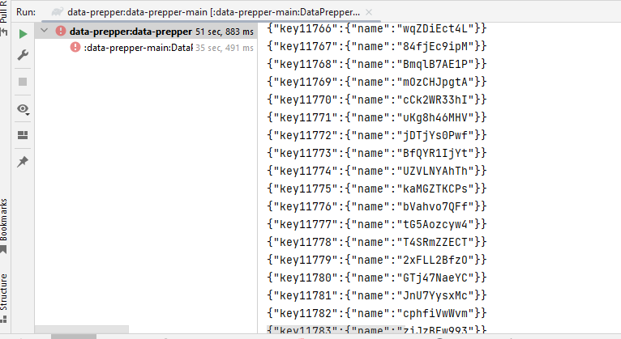
Read Json data from local schema registry with SASL_PLAINTEXT

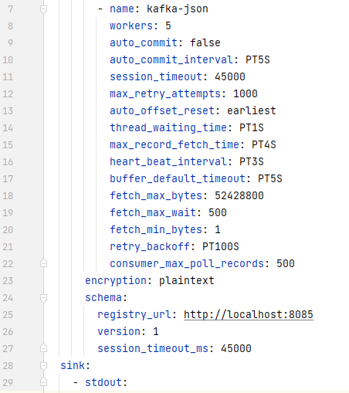

OUTPUT

avro with local SR
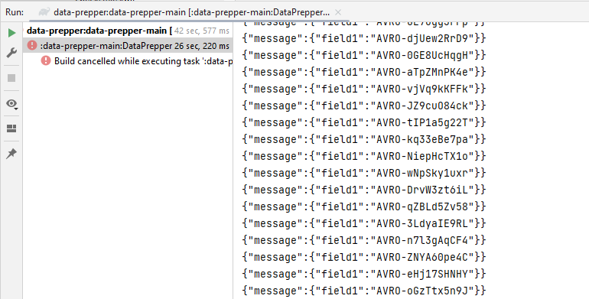
Read Avro data from local schema registry with SASL_PLAINTEXT

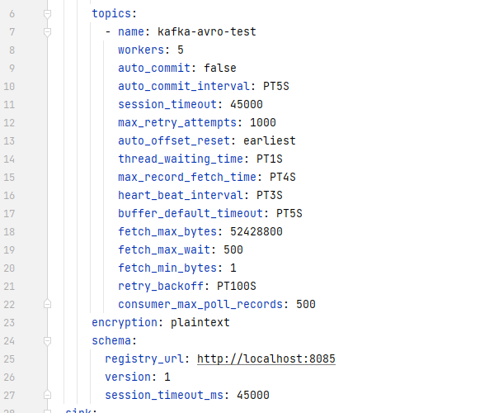

OUTPUT

schema registry not available
The given Schema registry URL not available

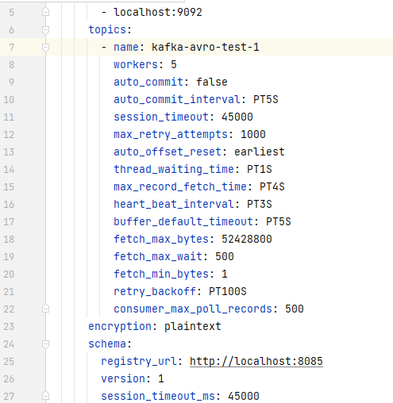

OUTPUT

topic not available
The given topic is not available
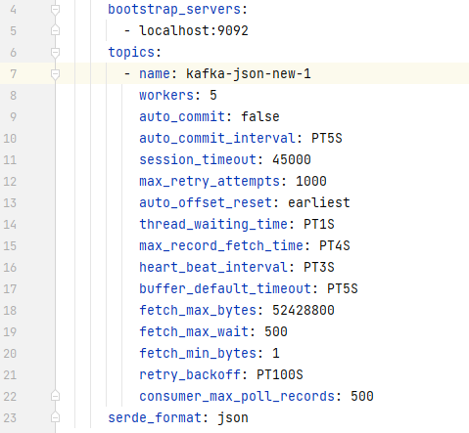

OUTPUT
2023-07-26T09:38:54,652 [pool-5-thread-5] WARN org.apache.kafka.clients.NetworkClient$DefaultMetadataUpdater - [Consumer clientId=consumer-log-pipeline::kafka-json-new-1-5, groupId=log-pipeline::kafka-json-new-1] Error while fetching metadata with correlation id 2 : {kafka-json-new-1=LEADER_NOT_AVAILABLE}

schema or version doen't exist
The given Schema or version doesn't exist

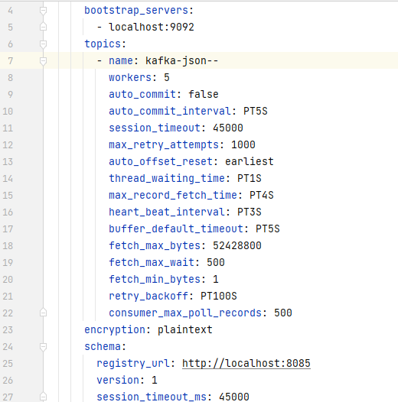

OUTPUT

schema registry with wrong url
If the given schema registry url doesn't not exist

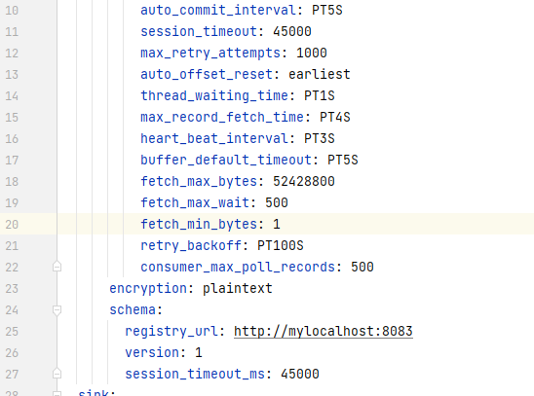

OUTPUT

